Cost Center Plan Data Upload
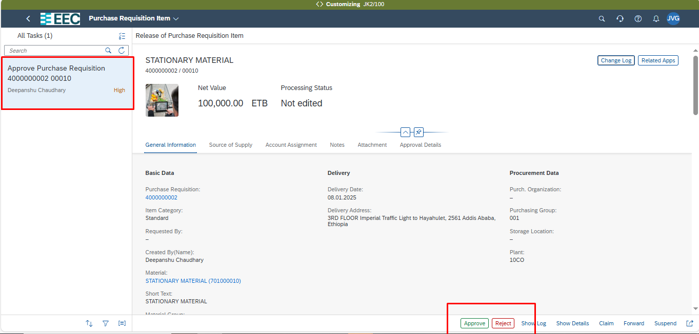
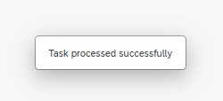
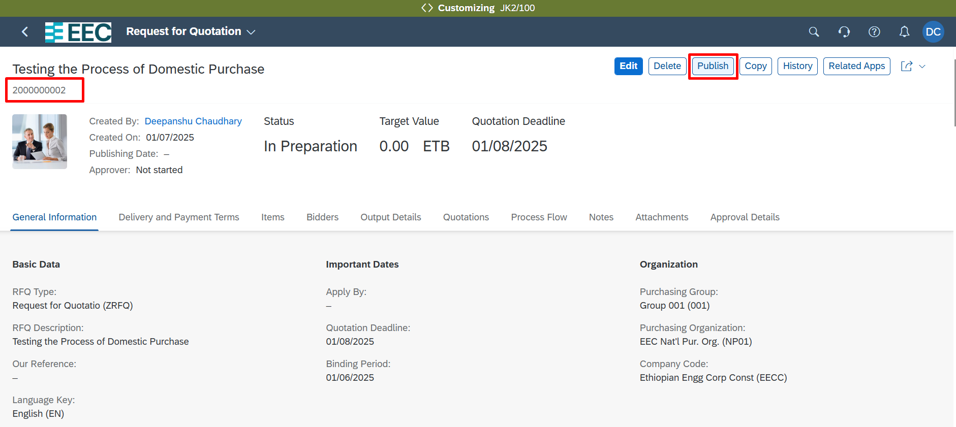
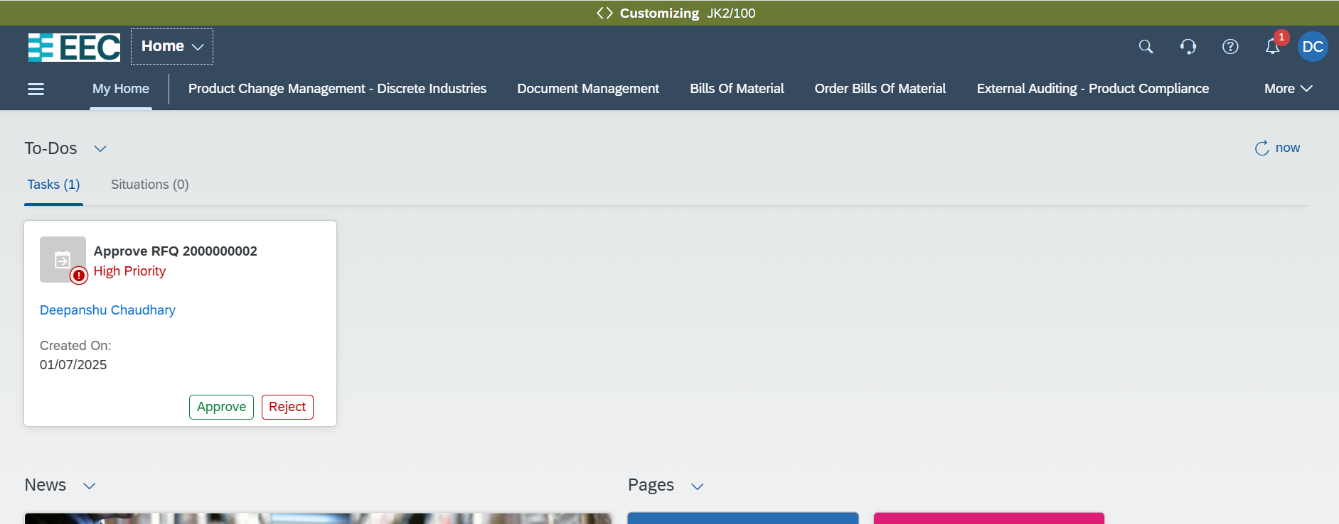
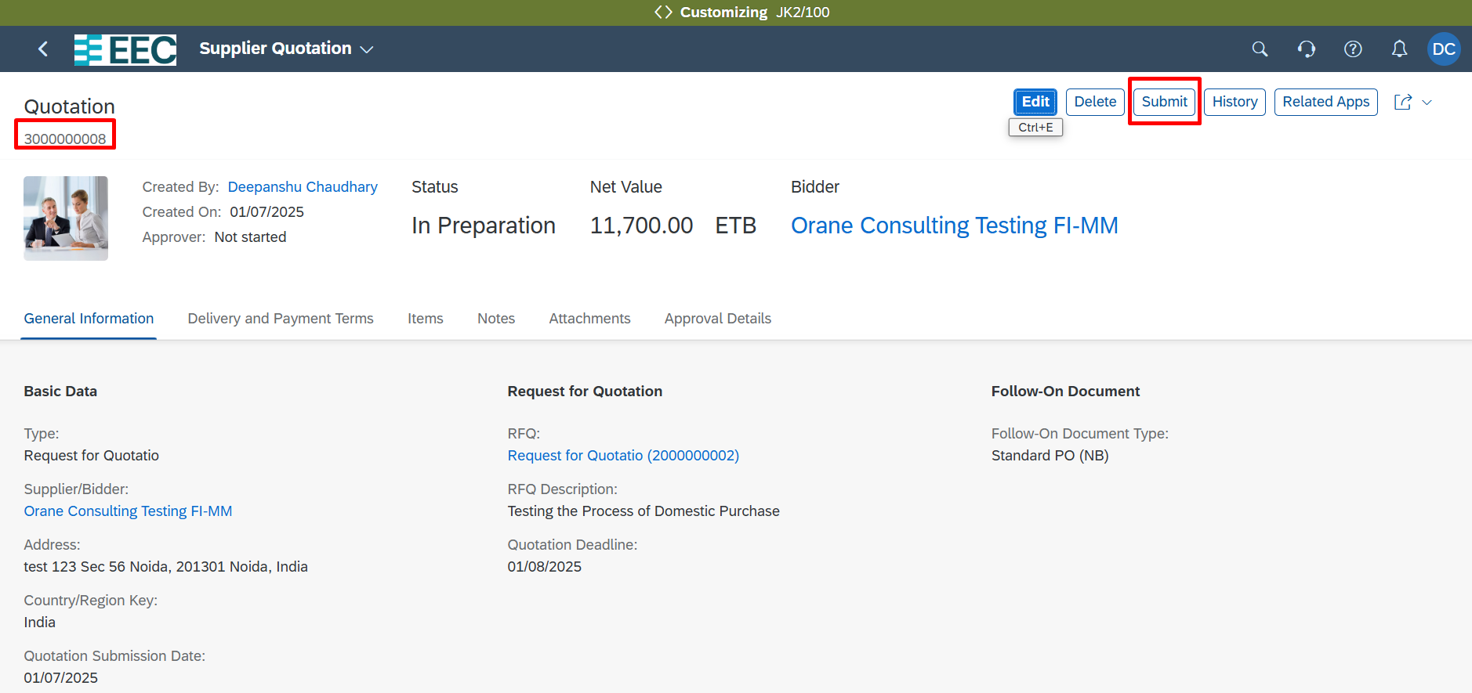
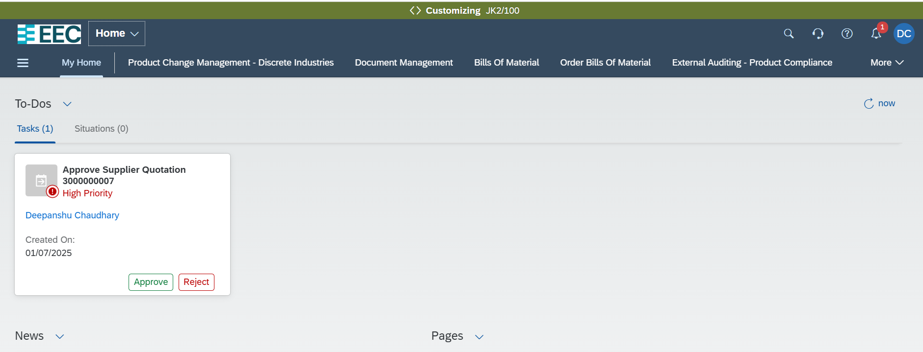
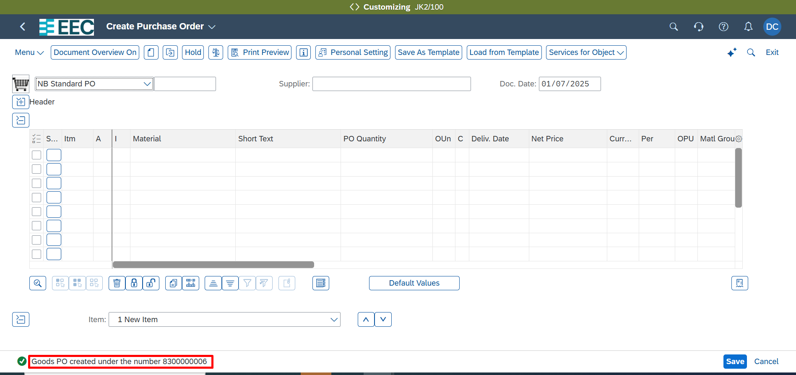
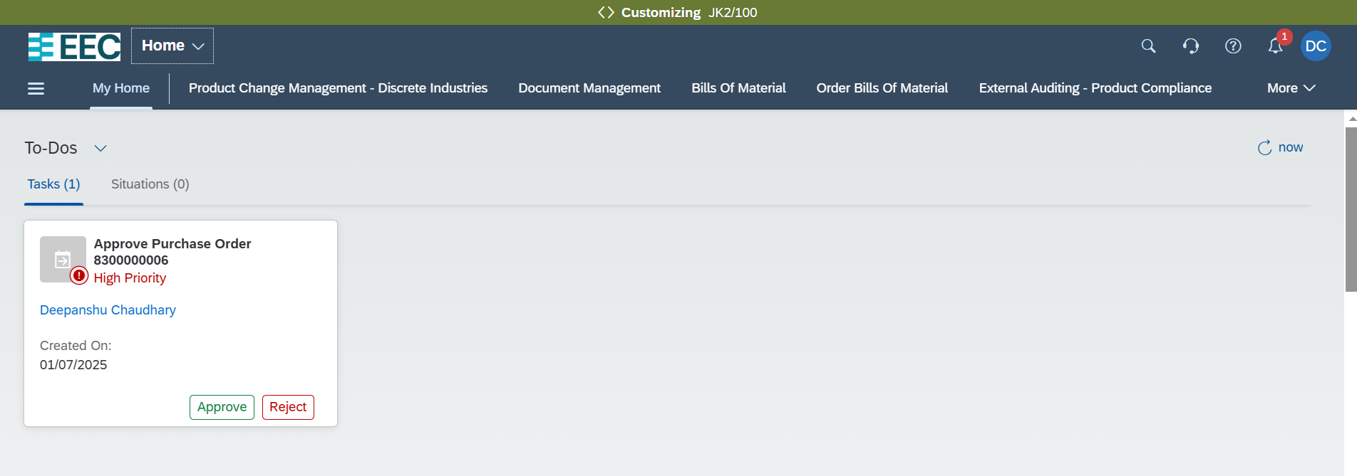
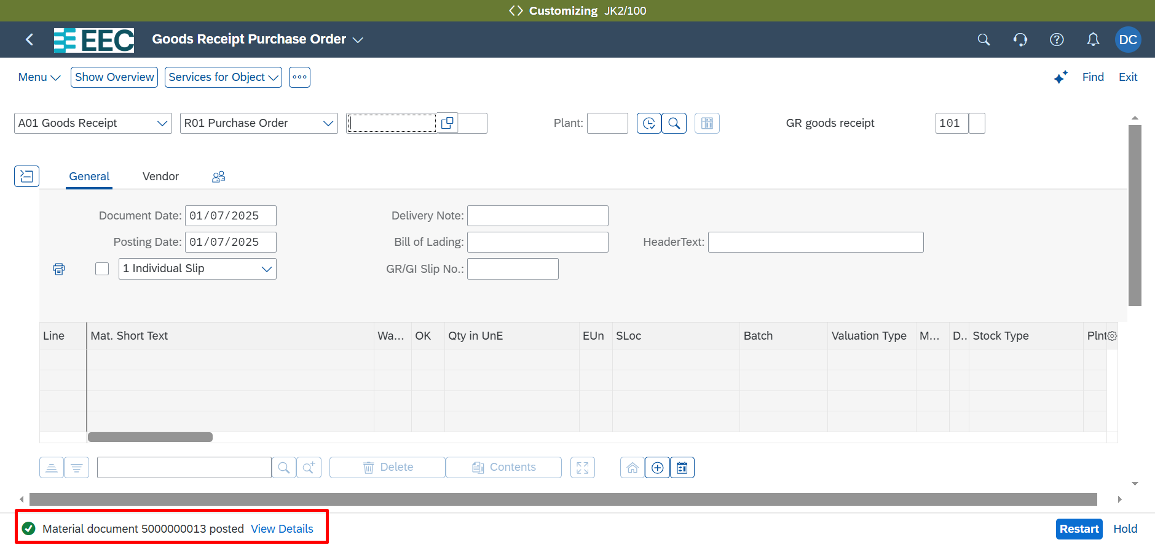
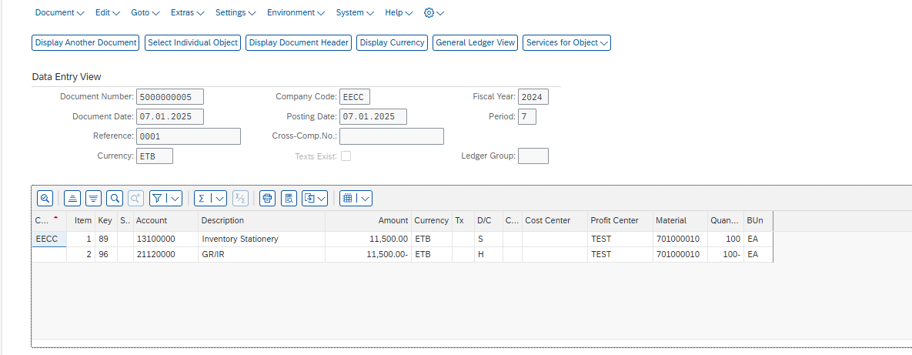
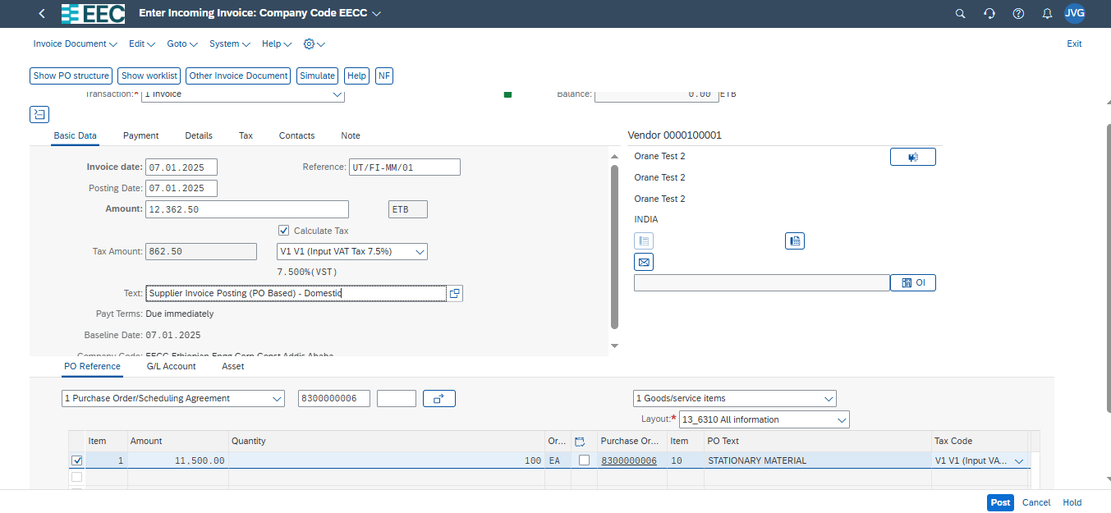
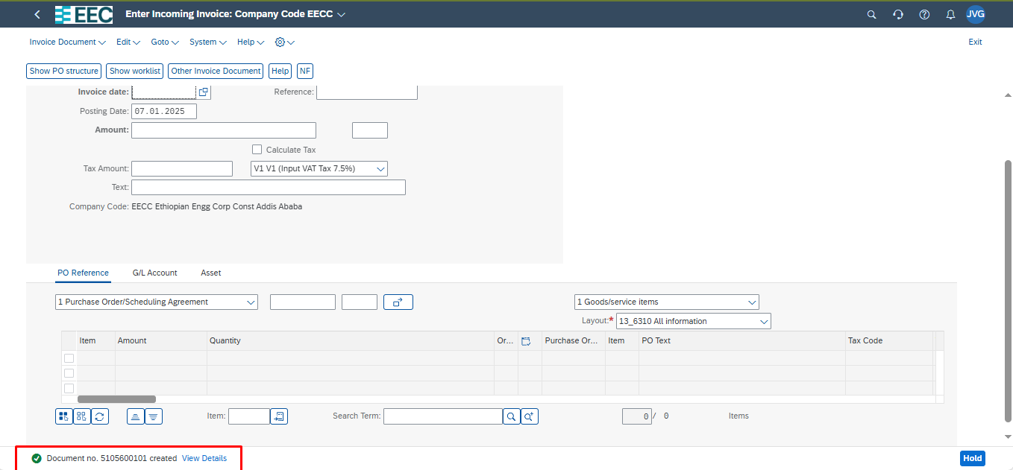
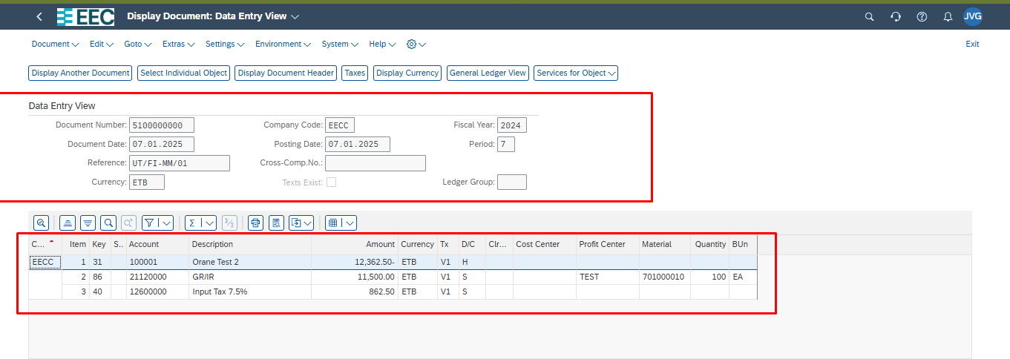
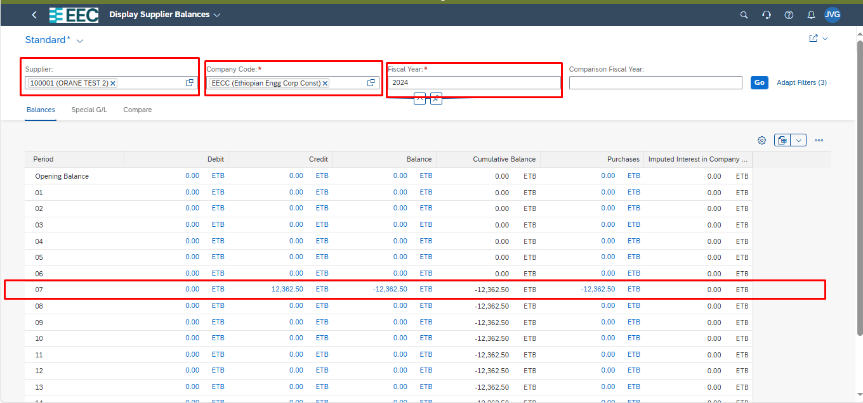
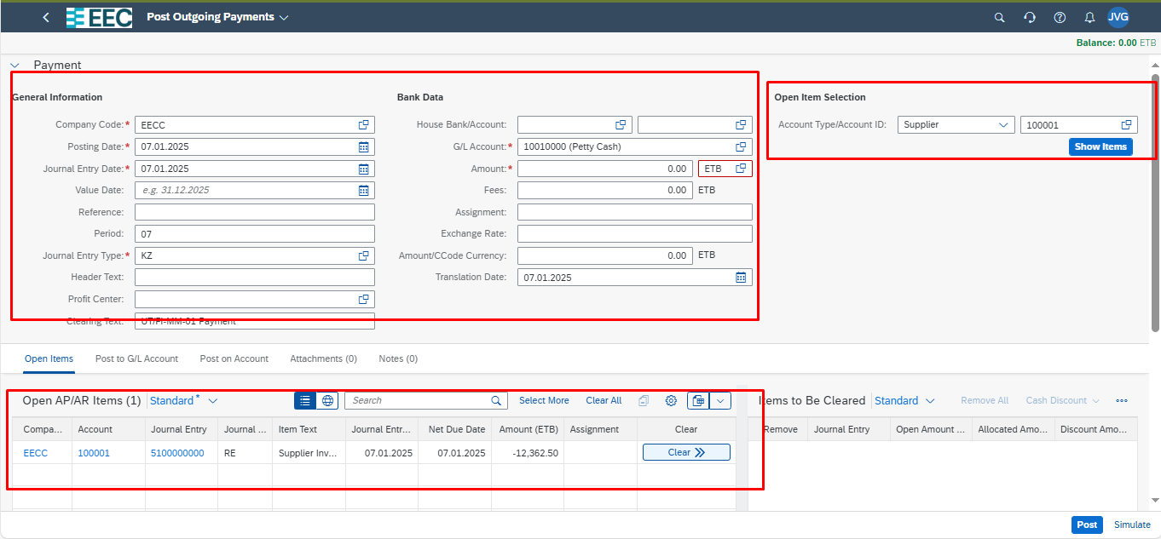
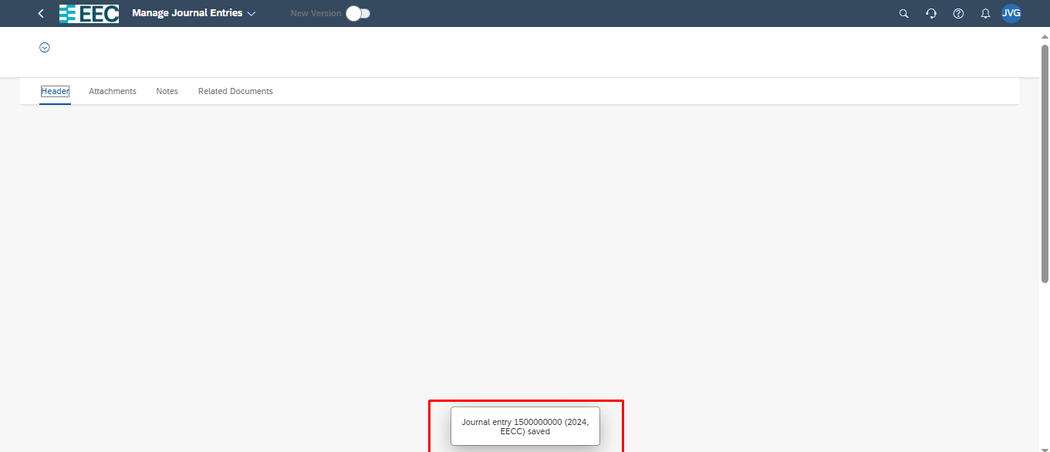
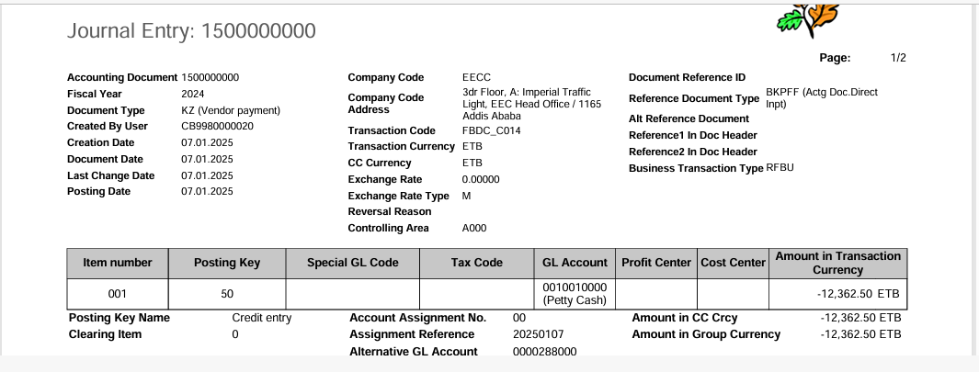
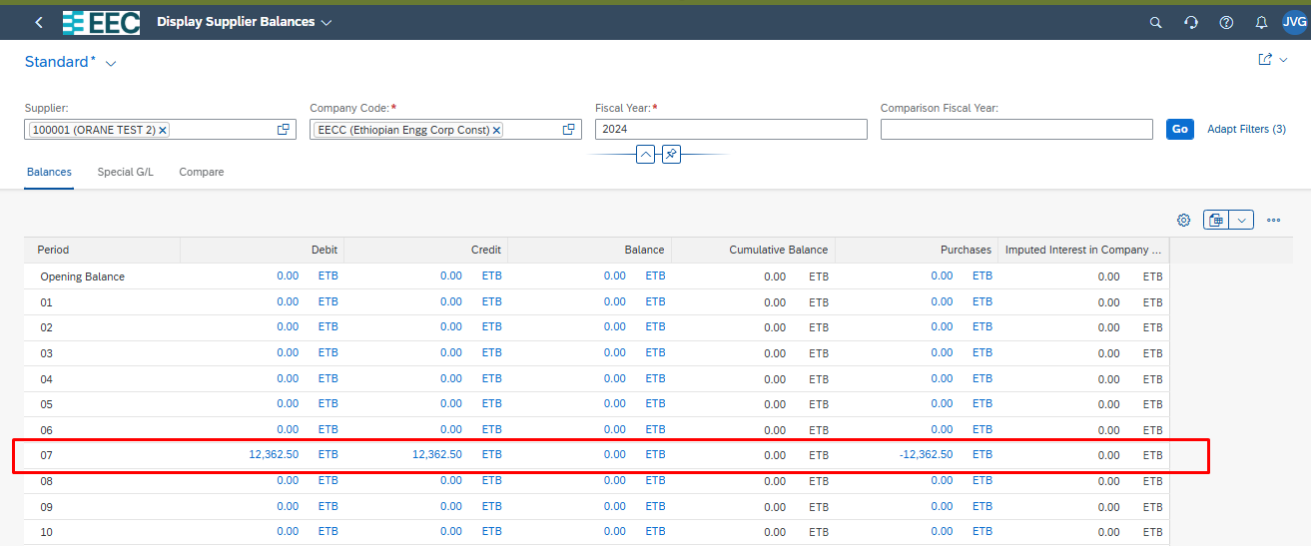
 |  | Test Scenario Result
Purpose |  | This scenario document should provide description of the scenario case, the prerequisites of the test, a detailed test procedure, and the expected test result. It should also provide the refence to the test case it belongs to.

Scenario Details:
Test Case ID: | CC_PL_1
Scenario ID: | UT_CCP_01
Scenario Description: | Upload Financial Plan Data(1HB)
Estimated Duration:
Priority:

Prerequisites:
Prerequisite | Description | Comments/Notes
System Access and Roles
Controllin Area, Company Code, Cost Center Master Data, G/L Account Master data

Test Step:
Step | Step Detail | Input Data | Expected Result | Actual Result | Pass/Fail/ Not done | Document Created | Userid | Remark
1 | Open App Open Import Financial Plan Data |  | The Import Financial Plan Data screen displays. | The Import Financial Plan Data screen displays.
2 | Cost Center Planning Template | Choose the Download Templates button. In the Download Templates screen, select the comma as separator and then the Cost Center Planning template.
3 | Save Template | Save the file in CSV format.
4 | Preapre your plan Data in the Template | Enter Plan Category ZEEC General Ledger Fiscal Year 2024 Posting Period 7 Company Code EECC Cost Center Enter Your Cost Center Account Number Enter G/L Account from Salary and Rent Group Amount in Global Currency Enter Your Amount Global Currency ETB And Save | The file will be saved | The file will be saved
5 | Import Financial Plan Data | Use the Browse CSV Files button to select the CSV extension file you wish to upload and choose Enter. Enter the following field value: Source File: Your .CSV file that contains your plan
6 | Check File | The upload performs a check to ensure that the format is correct. Correct any error message that appears. | The selected file contains data that replaces or deletes the following data message appears. | The selected file contains data that replaces or deletes the following data message appears.
7 | Review | Once successfully uploaded the message appears. The selected file has the following plan data scope. Note the two informational messages in the upper left of the screen. On the message Your plan data import will upload X plan items ,select the Show Details, review the data and then select the back icon. On the message Your plan data import will overwrite x items ,select the Show Details, review the data and then select the back icon proceed to the next step Import. | The list of the data uploaded appears. | The list of the data uploaded appears.
8 | Import | Choose Import Source File. | Import successful message appears. | Import successful message appears.

